Task 2
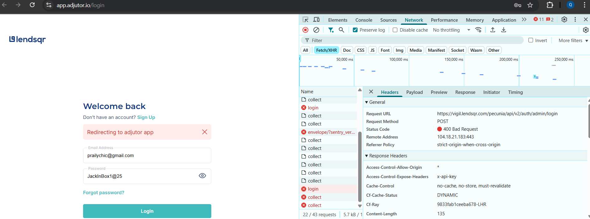
Approach: My strategy involved a fully automated workflow. | I successfully created automated scripts in Postman for all core endpoints.
 | The validation logic for HTTP status codes and response messages worked for the Login and API Key Retrieval endpoints and my assessment identified that the current platform configuration is not conducive to full, unattended automation due to the 2FA requirement.
 | Per my account settings in the Adjutor web UI, I cannot turn off Two-Factor Authentication for duruihemequeeneth@gmail.com so that my original POST Login request might return the final token directly in its response, skipping the 2FA step entirely.
 | I cannot automate 2FA with a hardcoded code/token(a value that expires within a short time) as it is dynamically generated per login. For this automation, I had to bypass/simulate it.
 | Since I also tried to disable 2FA but could not, I concluded that the login flow is non-automatable in its current state without a backend bypass.

Execution: I created automated scripts in Postman for all core endpoints. The initial strategy involved a fully automated workflow, however, I discovered a dependency - a mandatory Two-Factor Authentication (2FA) that could not be disabled for the test account | The Postman collection was executed using this semi-automated process: - POST Login request run, returning a login key for a 2FA - manually obtained a 2FA code - updated the token value in the POST 2FA request body with the new code - token was then used to successfully authenticate the GET request, which passed all validation tests.

Findings/Challenges | The mandatory 2FA generated codes makes end-to-end automation difficult without a backend bypass or dedicated testing 2FA endpoint.
 | The 2FA requirement is also infrequent which poijnts to a discrepancy in the UI frontend logic or a conditional security policy that is not consistently applied.
 | Due to my ample automated/manual test runs on the Login Module, I am convinced that I maxed out an IP address rate limit. I am unable to login even after taking the actions below: - correct credentials - A different user profile - An incognito window.

Profile 1
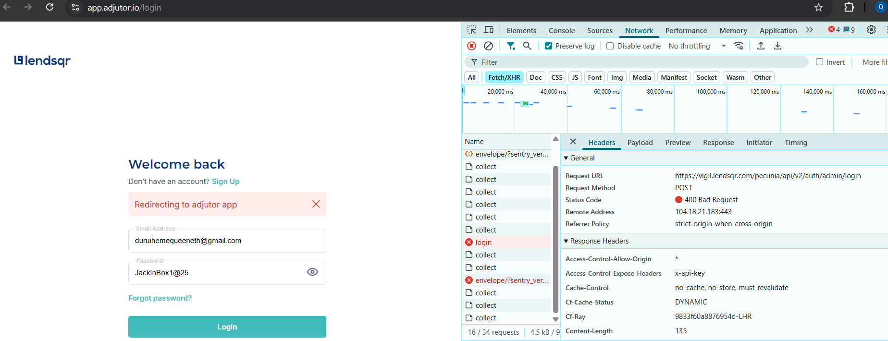

Profile 2

